CP Tracker Dashboard
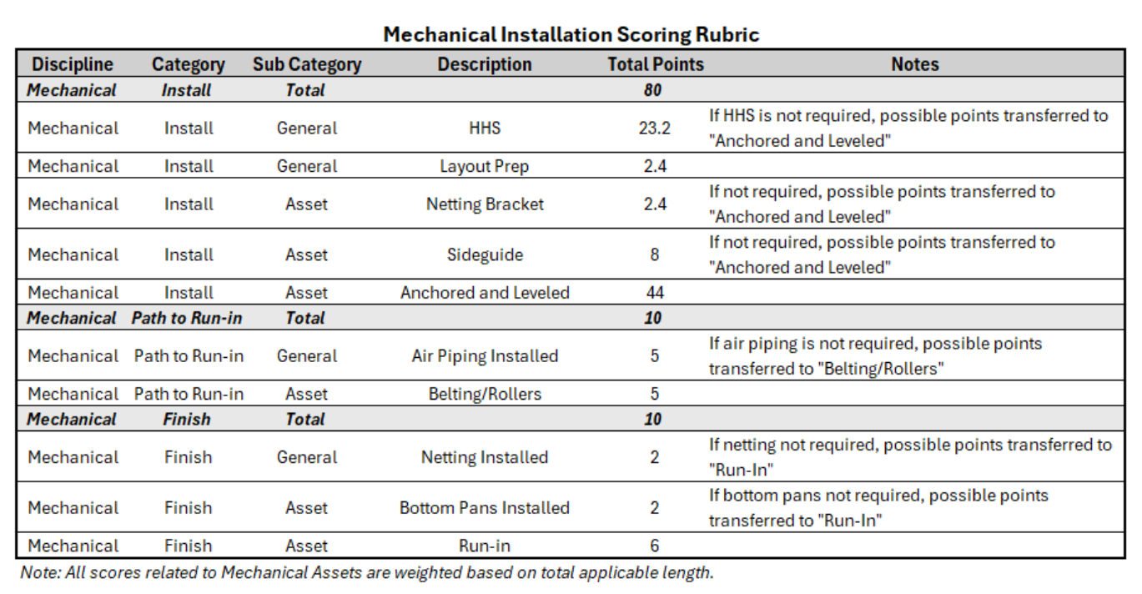
Project_Number | CP | Conv Length | Elec Device Count | Mech Install | Elect Install | Path to Run-In | Mech Finishing | As of 6/17/26
B-24-04663 | Total | 641,306 | 4,951 | 2.8% | 3.0% | 0.4% | 0.0%
 | CP01 | 28,436 | 296 | 0.0% | 2.0% | 0.0% | 0.0%
 | CP02 | 41,164 | 273 | 0.0% | 2.0% | 0.0% | 0.0%
 | CP03 | 37,242 | 500 | 0.0% | 0.0% | 0.0% | 0.0%
 | CP09 | 81,148 | 150 | 0.0% | 6.0% | 0.0% | 0.0%
 | CP11 | 22,899 | 175 | 0.0% | 2.0% | 0.0% | 0.0%
 | CP40 | 40,657 | 496 | 24.2% | 6.2% | 0.0% | 0.0%
 | CP41 | 19,594 | 425 | 0.0% | 9.2% | 0.0% | 0.0%
 | CP42 | 14,789 | 222 | 29.5% | 12.7% | 17.6% | 0.0%
 | CP50 | 48,427 | 500 | 7.3% | 6.2% | 0.0% | 0.0%
 | CP51 | 73,424 | 500 | 0.0% | 0.0% | 0.0% | 0.0%
 | CP52 | 148,635 | 500 | 0.0% | 0.0% | 0.0% | 0.0%
 | CP80 | 34,877 | 488 | 0.0% | 2.0% | 0.0% | 0.0%
 | CP81 | 25,167 | 158 | 0.0% | 6.0% | 0.0% | 0.0%
 | CP91 | 24,847 | 268 | 0.0% | 2.0% | 0.0% | 0.0%
Total |  | 641,306 | 4,951 | 2.8% | 3.6% | 0.4% | 0.0%

